Forecast of development
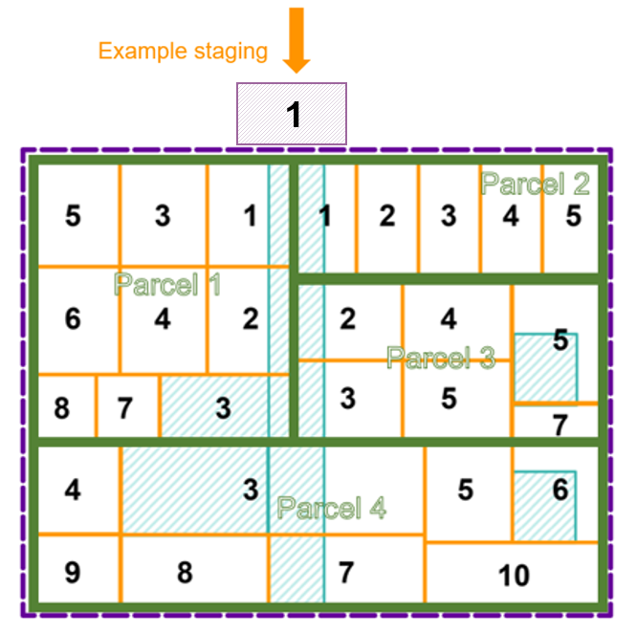
Forecasting
Section 1 | Ha per year forecast based on anticipated staging
PSP Property | Total developable Area | Year 1 | Year 2 | Year 3 | Year 4 | Year 5 | Year 6 | Year 7 | Year 8 | Year 9 | Year 10 | Check
P1 | 35 | 4.5 | 4.5 | 4.5 | 4.5 | 4.5 | 4.5 | 4 | 4 |  |  | 0
P2 | 18 | 3.6 | 3.6 | 3.6 | 3.6 | 3.6 |  |  |  |  |  | 0
P3 | 24 |  | 4 | 4 | 4 | 4 | 4 | 4 |  |  |  | 0
P4 | 44 |  |  | 6.3 | 6.3 | 6.3 | 6.3 | 6.3 | 6.3 | 6.2 |  | 0
TOTAL | 121 | 8.1 | 12.1 | 18.4 | 18.4 | 18.4 | 14.8 | 14.3 | 10.3 | 6.2 | 0 | 0

Section 2 | LEA per ha forecast

PSP Property | Year 0 | Year 1 | Year 2 | Year 3 | Year 4 | Year 5 | Year 6 | Year 7 | Year 8 | Year 9 | Year 10
P1 | 77,519 | 81,395 | 83,721 | 87,140 | 88,139 | 89,188 | 90,729 | 91,545 | 91,545 | 91,545 | 91,545
P2 | 15,461 | 16,234 | 16,697 | 17,379 | 17,578 | 17,788 | 18,095 | 18,258 | 18,258 | 18,258 | 18,258
P3 | 43,173 | 45,332 | 46,627 | 48,531 | 49,087 | 49,671 | 50,530 | 50,985 | 50,985 | 50,985 | 50,985
P4 | - | - | - | - | - | - | - | - | - | - | -

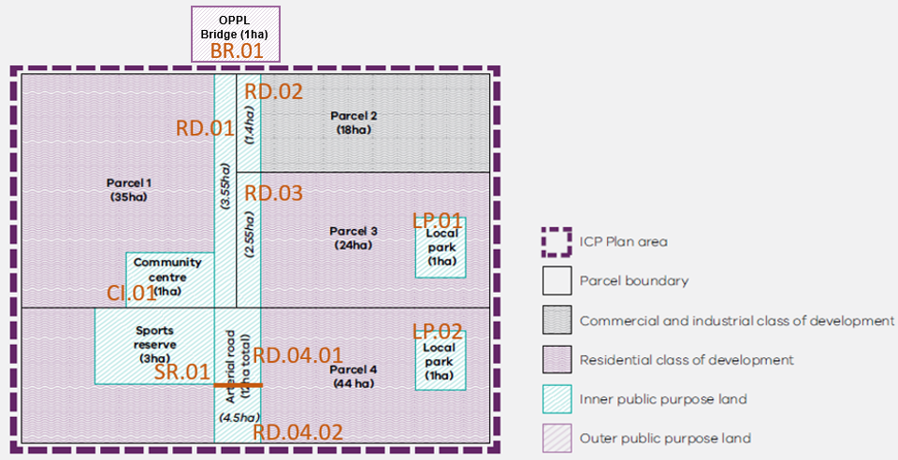
Section 3 | Income forecast (LEA payments per parcel)
PSP Property | Year 0 | Year 1 | Year 2 | Year 3 | Year 4 | Year 5 | Year 6 | Year 7 | Year 8 | Year 9 | Year 10
P1 |  | 366,279 | 376,744 | 392,128 | 396,623 | 401,344 | 408,283 | 366,181 | 366,181 | - | -
P2 |  | 58,441 | 60,110 | 62,565 | 63,282 | 64,035 | - | - | - | - | -
P3 |  | - | 186,508 | 194,124 | 196,349 | 198,686 | 202,121 | 203,939 | - | - | -
P4 |  | - | - | - | - | - | - | - | - | - | -
TOTAL | 0 | 424,720 | 623,363 | 648,817 | 656,255 | 664,065 | 610,404 | 570,120 | 366,181 | - | -

Section 4 | Reimbursements to developers (LCA payments per parcel - collection agency could negotiate delay of payment with developer)
Projects | Year 0 | Year 1 | Year 2 | Year 3 | Year 4 | Year 5 | Year 6 | Year 7 | Year 8 | Year 9 | Year 10
SR.01 |  |  |  | 832,712
RD.04.01 |  |  |  | 624,534
RD.04.02 |  |  |  |  |  |  |  | 773,584
LP.02 |  |  |  |  |  |  | 327,443
BR.01 |  | 1,575,000
TOTAL | 0 | 1,575,000 | - | 1,457,246 | - | - | 327,443 | 773,584 | - | - | -

Section 5 | Net Position
 | Year 0 | Year 1 | Year 2 | Year 3 | Year 4 | Year 5 | Year 6 | Year 7 | Year 8 | Year 9 | Year 10
Income | - | 424,720 | 623,363 | 648,817 | 656,255 | 664,065 | 610,404 | 570,120 | 366,181 | - | -
Expenses | - | 1,575,000 | - | 1,457,246 | - | - | 327,443 | 773,584 | - | - | -
Summary | - | (1,150,280) | (526,918) | (1,335,347) | (679,092) | (15,027) | 267,934 | 64,470 | 430,651 | 430,651 | 430,651

Reimbursement Rates per hectare
Insert public land indexation factor
Public Land Credit Rates Per HA |  |  |  | Assumed Yearly Index Increase | 5% | Assumed Revaluation Increase | 7%
 |  | Hypothetical Index | 1.00 | 1.05 | 1.10 | 1.18 | 1.24 | 1.30 | 1.39 | 1.46 | 1.53 | 1.64 | 1.72 | 1.81 | 1.94 | 2.03 | 2.14 | 2.28
 |  |  | Index or revaluation year? | Index | Index | Revaluation Year | Index | Index | Revaluation Year | Index | Index | Revaluation Year | Index | Index | Revaluation Year | Index | Index | Revaluation Year
 |  | Total value Year 0 | Year 0 | Year 1 | Year 2 | Year 3 | Year 4 | Year 5 | Year 6 | Year 7 | Year 8 | Year 9 | Year 10 | Year 11 | Year 12 | Year 13 | Year 14 | Year 15
PSP PARCEL ID | Total IPPL (ha) | 1-Jul-23 | 1-Jul-23 | 1-Jul-24 | 1-Jul-25 | 1-Jul-26 | 1-Jul-27 | 1-Jul-28 | 1-Jul-29 | 1-Jul-30 | 1-Jul-31 | 1-Jul-32 | 1-Jul-33 | 1-Jul-34 | 1-Jul-35 | 1-Jul-36 | 1-Jul-37 | 1-Jul-38
P1 | 0 |  | - | - | - | - | - | - | - | - | - | - | - | - | - | - | - | -
P2 | 0 |  | - | - | - | - | - | - | - | - | - | - | - | - | - | - | - | -
P3 | 0 |  | - | - | - | - | - | - | - | - | - | - | - | - | - | - | - | -
P4 | 8.5000 | 2,000,000 | 235,294 | 247,059 | 259,412 | 277,571 | 291,449 | 306,022 | 327,443 | 343,815 | 361,006 | 386,276 | 405,590 | 425,870 | 455,681 | 478,465 | 502,388 | 537,555
OPPL1 | 1.00 | 1,500,000 | 1,500,000 | 1,575,000 | 1,653,750 | 1,769,513 | 1,857,988 | 1,950,888 | 2,087,450 | 2,191,822 | 2,301,413 | 2,462,512 | 2,585,638 | 2,714,920 | 2,904,964 | 3,050,212 | 3,202,723 | 3,426,913
For a revaluation year, insert updated value

