Forecast of development
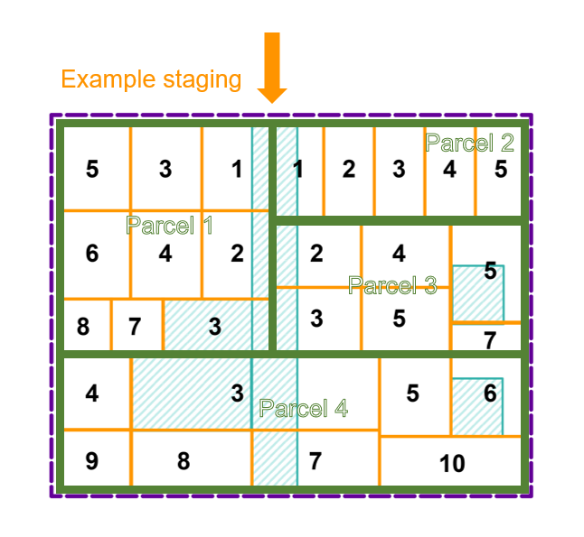
Forecasting
Section 1 | Ha per year forecast based on anticipated staging
PSP Property | Total developable Area | Year 1 | Year 2 | Year 3 | Year 4 | Year 5 | Year 6 | Year 7 | Year 8 | Year 9 | Year 10 | Check
P1 | 35 | 4.5 | 4.5 | 4.5 | 4.5 | 4.5 | 4.5 | 4 | 4 |  |  | 0
P2 | 18 | 3.6 | 3.6 | 3.6 | 3.6 | 3.6 |  |  |  |  |  | 0
P3 | 24 |  | 4 | 4 | 4 | 4 | 4 | 4 |  |  |  | 0
P4 | 44 |  |  | 6.3 | 6.3 | 6.3 | 6.3 | 6.3 | 6.3 | 6.2 |  | 0
TOTAL | 121 | 8.1 | 12.1 | 18.4 | 18.4 | 18.4 | 14.8 | 14.3 | 10.3 | 6.2 | 0 | 0

Section 2 | LEA per ha forecast

PSP Property | Year 0 | Year 1 | Year 2 | Year 3 | Year 4 | Year 5 | Year 6 | Year 7 | Year 8 | Year 9 | Year 10
P1 | 50,856.72 | 53,399.56 | 56,069.54 | 59,994.40 | 61,141.36 | 62,345.65 | 64,115.97 | 65,052.69 | 65,052.69 | 65,052.69 | 65,052.69
P2 | - | - | - | - | - | - | - | - | - | - | -
P3 | 22,073.98 | 23,177.68 | 24,336.56 | 26,040.12 | 26,537.94 | 27,060.66 | 27,829.06 | 28,235.63 | 28,235.63 | 28,235.63 | 28,235.63
P4 | - | - | - | - | - | - | - | - | - | - | -

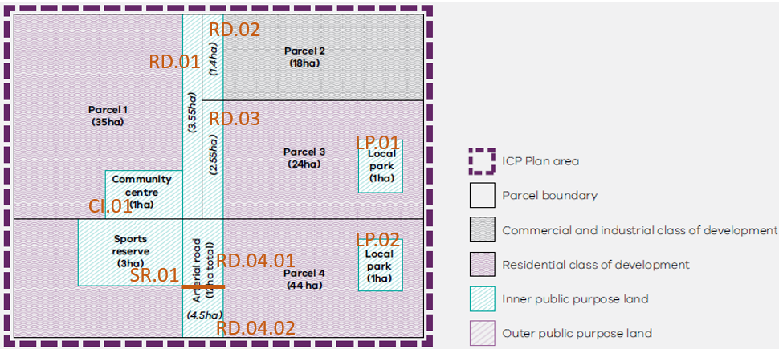
Section 3 | Income forecast (LEA payments per parcel)
PSP Property | Year 0 | Year 1 | Year 2 | Year 3 | Year 4 | Year 5 | Year 6 | Year 7 | Year 8 | Year 9 | Year 10
P1 |  | 240,298.01 | 252,312.91 | 269,974.82 | 275,136.10 | 280,555.45 | 288,521.89 | 260,210.75 | 260,210.75 | - | -
P2 |  | - | - | - | - | - | - | - | - | - | -
P3 |  | - | 97,346.24 | 104,160.47 | 106,151.78 | 108,242.64 | 111,316.22 | 112,942.51 | - | - | -
P4 |  | - | - | - | - | - | - | - | - | - | -
TOTAL | 0 | 240,298.01 | 349,659.15 | 374,135.29 | 381,287.87 | 388,798.09 | 399,838.11 | 373,153.27 | 260,210.75 | - | -

Section 4 | Reimbursements to developers (LCA payments per parcel - collection agency could negotiate delay of payment with developer)
Projects | Year 0 | Year 1 | Year 2 | Year 3 | Year 4 | Year 5 | Year 6 | Year 7 | Year 8 | Year 9 | Year 10
SR.01 |  |  |  | 832,712
RD.04.01 |  |  |  | 624,534
RD.04.02 |  |  |  |  |  |  |  | 773,584
LP.02 |  |  |  |  |  |  | 327,443
TOTAL | 0 | - | - | 1,457,245.59 | - | - | 327,443.08 | 773,584.29 | - | - | -

Section 5 | Net Position
 | Year 0 | Year 1 | Year 2 | Year 3 | Year 4 | Year 5 | Year 6 | Year 7 | Year 8 | Year 9 | Year 10
Income | - | 240,298 | 349,659 | 374,135 | 381,288 | 388,798 | 399,838 | 373,153 | 260,211 | - | -
Expenses | - | - | - | 1,457,246 | - | - | 327,443 | 773,584 | - | - | -
Summary | - | 240,298 | 589,957 | (493,153) | (111,865) | 276,933 | 349,328 | (51,103) | 209,108 | 209,108 | 209,108

Reimbursement Rates per hectare
Insert public land indexation factor
Public Land Credit Rates Per HA |  |  |  | Assumed Yearly Index Increase | 5% | Assumed Revaluation Increase | 7%
 |  | Hypothetical Index | 1.00 | 1.05 | 1.10 | 1.18 | 1.24 | 1.30 | 1.39 | 1.46 | 1.53 | 1.64 | 1.72 | 1.81 | 1.94 | 2.03 | 2.14 | 2.28
 |  |  | Index or revaluation year? | Index | Index | Revaluation Year | Index | Index | Revaluation Year | Index | Index | Revaluation Year | Index | Index | Revaluation Year | Index | Index | Revaluation Year
 |  | Total value Year 0 | Year 0 | Year 1 | Year 2 | Year 3 | Year 4 | Year 5 | Year 6 | Year 7 | Year 8 | Year 9 | Year 10 | Year 11 | Year 12 | Year 13 | Year 14 | Year 15
PSP PARCEL ID | Total IPPL (ha) | 1-Jul-23 | 1-Jul-23 | 1-Jul-24 | 1-Jul-25 | 1-Jul-26 | 1-Jul-27 | 1-Jul-28 | 1-Jul-29 | 1-Jul-30 | 1-Jul-31 | 1-Jul-32 | 1-Jul-33 | 1-Jul-34 | 1-Jul-35 | 1-Jul-36 | 1-Jul-37 | 1-Jul-38
P1 | 0 |  | - | - | - | - | - | - | - | - | - | - | - | - | - | - | - | -
P2 | 0 |  | - | - | - | - | - | - | - | - | - | - | - | - | - | - | - | -
P3 | 0 |  | - | - | - | - | - | - | - | - | - | - | - | - | - | - | - | -
P4 | 8.5000 | 2,000,000 | 235,294 | 247,059 | 259,412 | 277,571 | 291,449 | 306,022 | 327,443 | 343,815 | 361,006 | 386,276 | 405,590 | 425,870 | 455,681 | 478,465 | 502,388 | 537,555
For a revaluation year, insert updated value

